Sheet1
 |  |  |  |  |  |  |  |  | Growth rates
Gross revenues |  | Normal Distribution |  |  |  |  | Assumptions |  | Gross revenue | 0
 |  | Mean | 9.90 |  |  |  |  |  | Labour Growth | 0
 |  | sd | 1.40 |  |  |  |  |  | Materials | 0
 |  |  |  |  |  |  |  |  | Overhead | 0
labour Growth |  | Normal Distribution |  |  |  |  |  |  | SG&A | 0
 |  | Mean | 3.45
 |  | sd | 1 |  |  |  |  |  | taxable income | 0
 |  |  |  |  |  |  |  |  | tax rate | 0
Materials Probability distribution |  |  |  | Overhead Probability distribution |  |  |  |  | income tax | 0
Materials (%) | Probability |  |  | Overhead (%) | Probability |  |  |  | Profits | 0
4 | 0.1 |  |  | 2 | 0.2
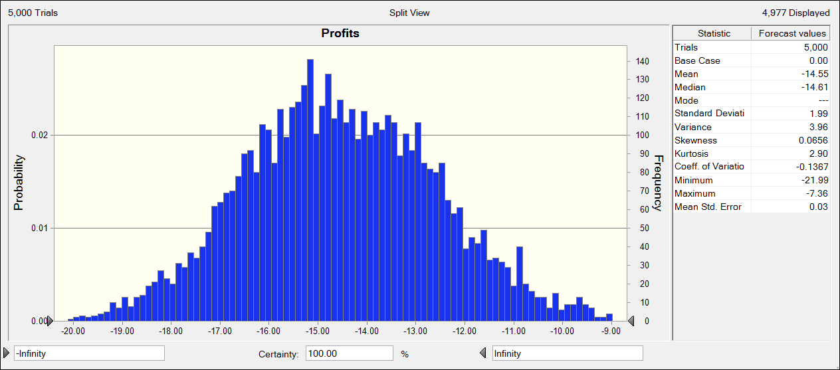
5 | 0.15 |  |  | 3 | 0.35
6 | 0.15 |  |  | 4 | 0.25
7 | 0.25 |  |  | 5 | 0.2
8 | 0.25
9 | 0.1

Tax Rate Probability distribution |  |  |  | SG &A Probability distribution
Tax Rate (%) | Probability |  |  | SG & A (%) | Probability
30 | 0.15 |  |  | 15 | 0.05
32 | 0.3 |  |  | 16 | 0.1
34 | 0.3 |  |  | 17 | 0.2
36 | 0.25 |  |  | 18 | 0.25
 |  |  |  | 19 | 0.2
 |  |  |  | 20 | 0.2

 |  |  |  |  |  |  |  | Statistics
 |  |  |  |  |  |  |  | Trials | 5000
 |  |  |  |  |  |  |  | Base Case | 0
 |  |  |  |  |  |  |  | Mean | -14.55
 |  |  |  |  |  |  |  | Median | -14.61
 |  |  |  |  |  |  |  | Mode | ---
 |  |  |  |  |  |  |  | Standard Deviation | 1.99
 |  |  |  |  |  |  |  | Variance | 3.96
 |  |  |  |  |  |  |  | Skewness | 0.0656
 |  |  |  |  |  |  |  | Kurtosis | 2.9
 |  |  |  |  |  |  |  | Coeff. of Variation | -0.1367
 |  |  |  |  |  |  |  | Minimum | -21.99
 |  |  |  |  |  |  |  | Maximum | -7.36
 |  |  |  |  |  |  |  | Range Width | 14.62
 |  |  |  |  |  |  |  | Mean Std. Error | 0.03
 |  |  |  |  |  |  |  | Significance level | 5%
 |  |  |  |  |  | 95% upper confidence interval |  |  | -14.494841028
 |  |  |  |  |  | 95% lower confidence interval |  |  | -14.605158972

